10 Portfolio FTE
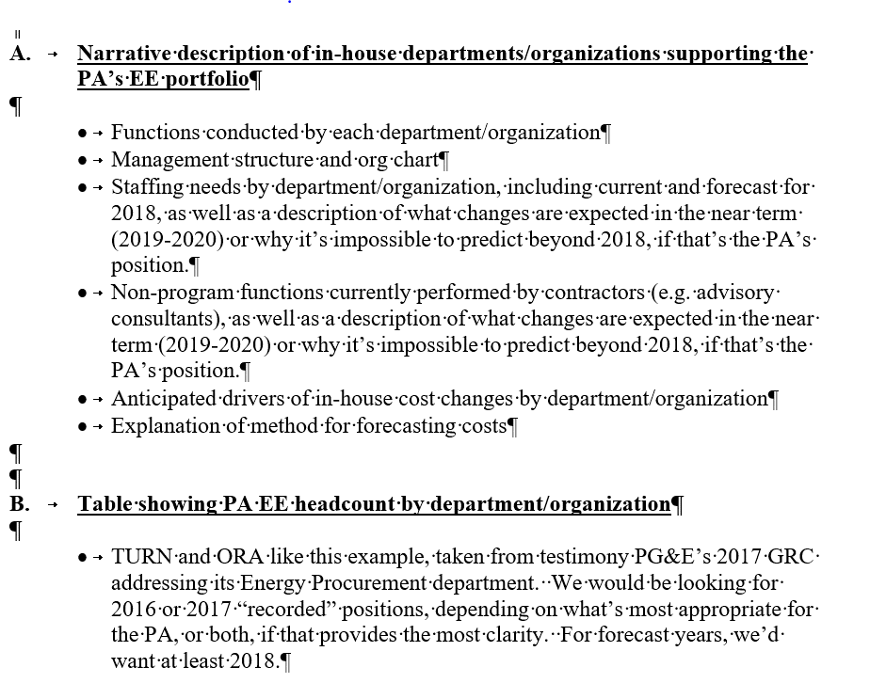
Pa Name: | SoCalGas
Budget Year: | 2024-2027
PORTFOLIO STAFFING

Functional Group | 2020 EE Portfolio FTE | 2022 EE Portfolio FTE | 2023 EE Portfolio FTE | 2024 EE Portfolio FTE | 2025 EE Portfolio FTE | 2026 EE Portfolio FTE | 2027 EE Portfolio FTE
Policy, Strategy, and Regulatory Reporting Compliance | 10.1 | 13.1 | 13.1 | 14.1 | 14.1 | 14.1 | 14.1
Program Management | 80.4 | 71.9 | 71.9 | 65.8 | 65.8 | 65.7 | 65.8
Engineering Services | 20.5 | 18.4 | 18.4 | 17.8 | 17.8 | 17.8 | 17.8
Customer Application/Rebate/Incentive Processing | 16.2 | 11.5 | 11.5 | 2.6 | 2.5 | 2.4 | 2.4
Customer Project Inspections | 3.1 | 2.0 | 2.0 | 3.3 | 3.2 | 3.2 | 3.2
Portfolio Analytics | 0.7 | 2.5 | 2.5 | 4.3 | 4.2 | 4.1 | 4.1
EM&V | 1.5 | 2.3 | 2.3 | 3.3 | 3.3 | 3.3 | 3.3
ME&O (Local) | 11.2 | 8.0 | 8.0 | 8.2 | 7.6 | 6.9 | 5.8
Account Management / Sales | 26.2 | 18.6 | 18.6 | 22.7 | 22.7 | 22.5 | 22.2
IT | 1.7 | 6.2 | 6.2 | 4.8 | 4.8 | 4.8 | 4.8
Call Center | 1.9 | 3.0 | 3.0 | 3.7 | 3.7 | 3.6 | 3.6
Total | 173.5 | 157.5 | 157.5 | 150.6 | 149.6 | 148.3 | 147.0

Notes:
FTE is equal to productive labor of 1677 hour per year.

